Transactions
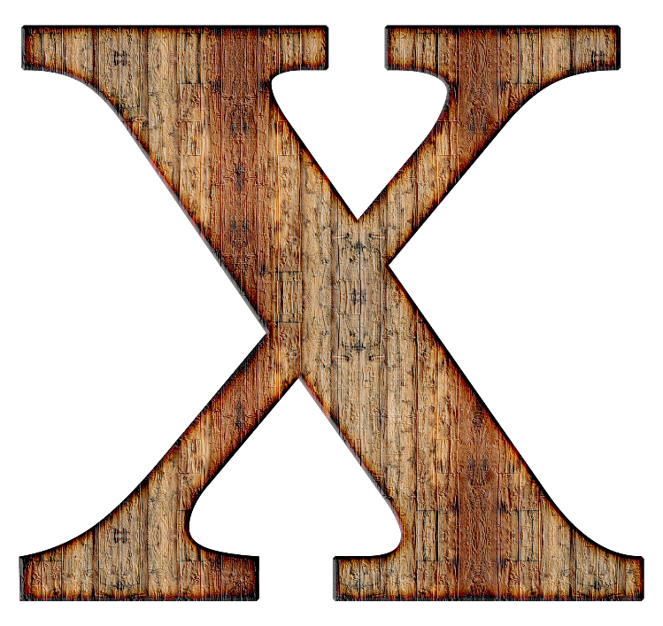
ID | Amount | Name
CC-5M0749 | $84.14
CC-XPM4JE | $28.30
CC-92FM5M | $166.58
CC-92FM5M | $92.52
CC-H2VUKI | $736.66
CC-JZOK3E | $432.79
CC-BC9XMS | $607.23
CC-XPM4JE | $17.66
CC-92FM5M | $229.88
CC-CT3TK2 | $86.55
CC-4PQHBD | $294.93
CC-CT3TK2 | $1,344.12
CC-GWY58G | -$291.20
CC-5M0749 | $31.31
CC-GWY58G | $215.66
CC-CT3TK2 | $22.80
CC-CT3TK2 | $308.91
CC-92FM5M | $347.16
CC-VB21WQ | $110.55
CC-GWY58G | -$179.71
CC-5M0749 | $526.41
CC-1CPDMC | $496.17
CC-CT3TK2 | $527.83
CC-5M0749 | $134.37
CC-XPM4JE | $103.35
CC-5M0749 | $297.09
CC-CT3TK2 | $4.06
CC-2QQV34 | -$15.00
CC-92FM5M | $117.17
CC-IFSHID | $91.00
CC-VB21WQ | $50.10
CC-CT3TK2 | $230.14
CC-CT3TK2 | $132.24
CC-GWY58G | $251.98
CC-92FM5M | $122.53
CC-XPM4JE | $886.41
CC-92FM5M | $156.90
CC-92FM5M | $439.52
CC-5M0749 | $229.69
CC-XPM4JE | $498.40
CC-92FM5M | $238.97
CC-92FM5M | $539.21
CC-T11AF7 | $817.29
CC-XPM4JE | $288.18
CC-GWY58G | $547.12
CC-H2VUKI | $695.68
CC-92FM5M | $869.16
CC-VB21WQ | $41.50
CC-I9HM73 | -$333.14
CC-H2VUKI | $219.58
CC-XPM4JE | $383.38
CC-CT3TK2 | $220.17
CC-CT3TK2 | $227.43
CC-GWY58G | $714.44
CC-4PQHBD | $275.77
CC-H2VUKI | $585.12
CC-4PQHBD | $54.25
CC-TWIE7D | $450.90

